Home
 |  | Hydraulic Actuator Division: Universal BOM Tool

▼ MSS Quick Nav.
▼ Quick Tools
BOM Printer
Navigation
 |  | 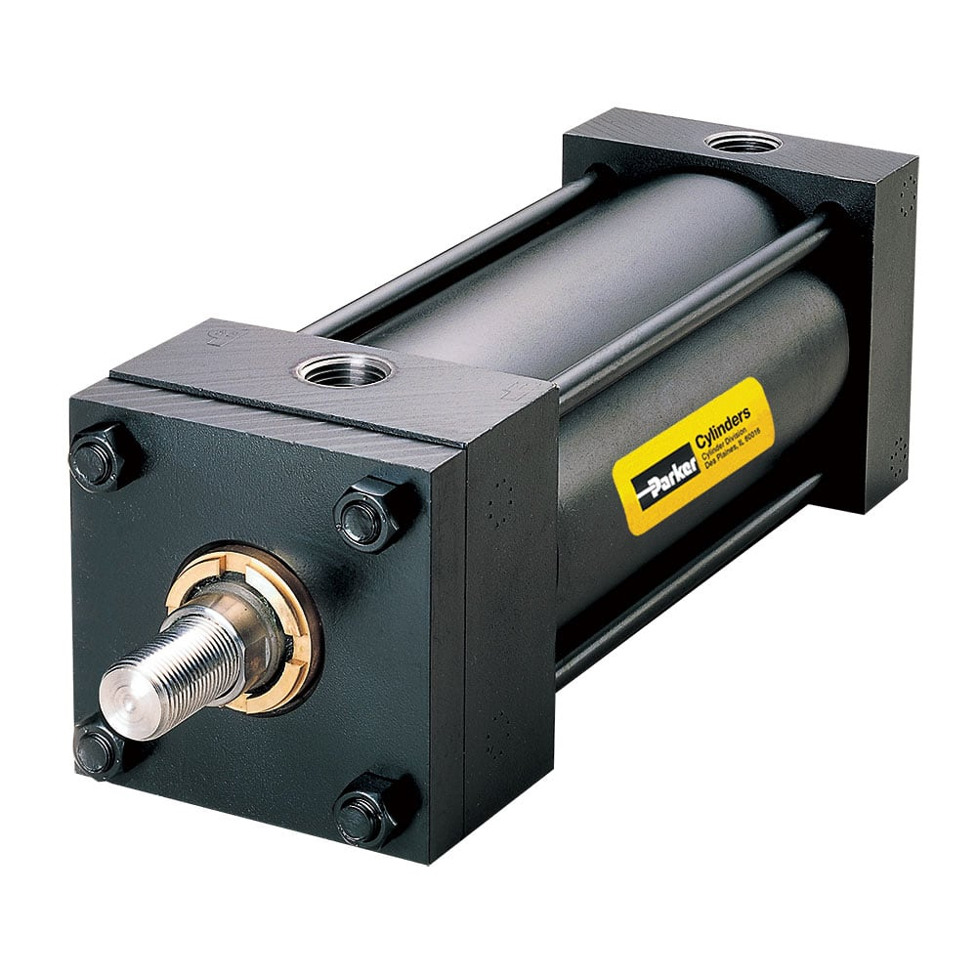 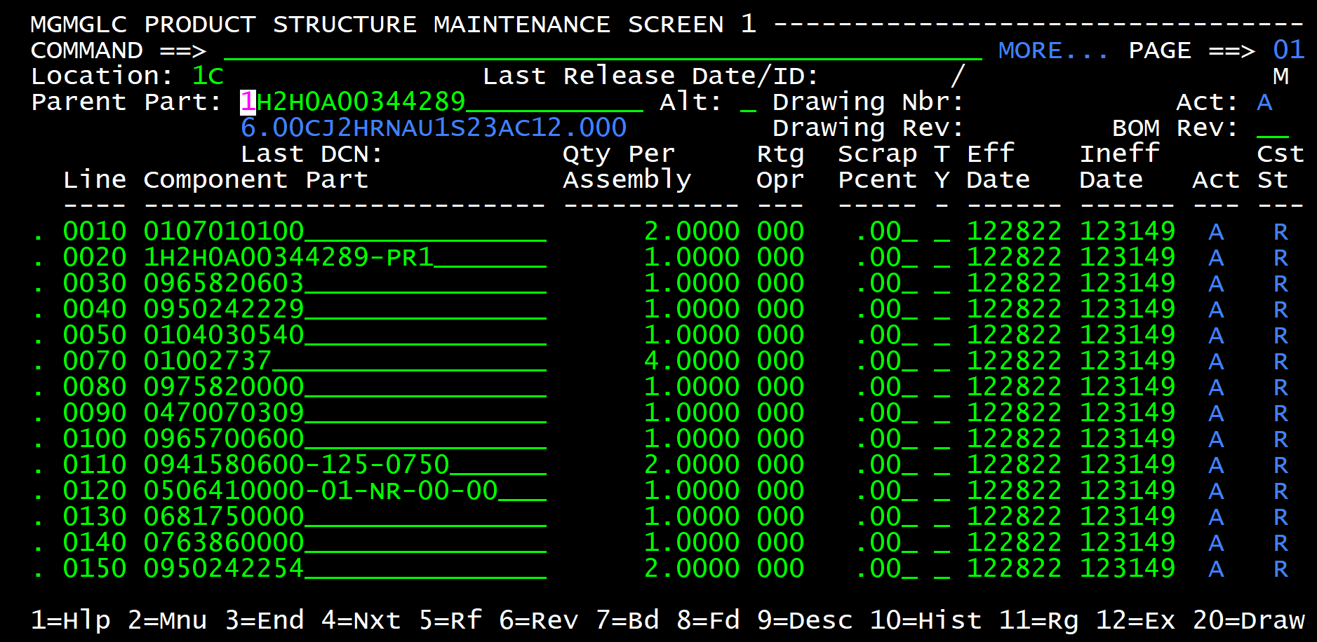

BOM Comparison

Report a Bug

 | For assisstance or questions please contact marc.monnette@parker.com
 |  |  | v1.0.8

